Interactive Dashboard
AFRICAN CAR SALES DASHBOARD
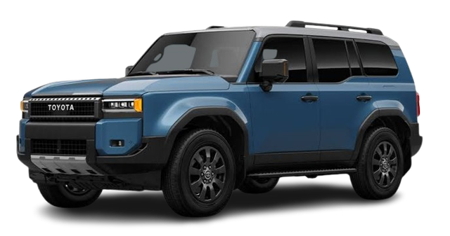

Number of Customers
Total Car Sold
Total Profit
Total Revenue
Average Variance
Average Profit Margin

140
435
$6,149,108
$21,502,108
0.089
27%

Car sold trend in each Country across the Year
 | 2018 | 2019 | 2020 | 2021 | 2022 | 2023 | 2024
Egypt | $383,811 | $1,435,482 | $337,033 | $1,246,209 | $565,387 | $730,858 | $295,640
Ghana | $591,861 | $349,141 | $317,820 | $304,060 | $623,291 | $432,112 | $690,935
Kenya | $227,904 | $382,798 | $541,950 | $674,547 | $936,615 | $653,677 | $307,895
Nigeria | $756,230 | $510,510 | $728,562 | $588,382 | $962,940 | $55,706 | $184,216
South Africa | $82,488 | $562,268 | $353,062 | $239,444 | $425,980 | $1,210,568 | $327,047
Tanzania | $947,115 | $168,786 | $260,872 | $458,357 | $121,140 | $269,440 | $259,969
Units Sold by Car Model
 | Total
Accord | 51
GLC | 59
GLE | 35
LandCruiser | 47
Sprinter | 56
Top 3 City by Sales
 | Total
Giza | $2,289,517
Johannesburg | $1,594,228
Port Harcourt | $1,642,425

Top 5 Selling Car Model
 | Total
GLC | $3,071,389
GLS | $2,305,345
LandCruiser | $2,964,654
S500 | $2,851,005
Sprinter | $2,274,553
Revenue by Car Make
 | Honda | Mercedes | Toyota
2018 | $286,130 | $1,480,053 | $1,223,226
2019 | $1,018,529 | $2,325,504 | $64,952
2020 | $310,795 | $1,764,470 | $464,034
2021 | $282,627 | $2,345,629 | $882,743
2022 | $195,392 | $3,048,077 | $391,884
2023 | $496,792 | $2,788,679 | $66,890
2024 | $224,218 | $1,208,984 | $632,500
Sales by Car type
 | Total
Sedan | $7,873,610
SUV | $11,353,945
Van | $2,274,553

